Project Budget
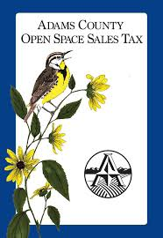

 | Adams County Open Space
 | Project Budget
 | Revised 2/2026

Date: (MM/DD/YYYY)

Project Name:

Amount Requested: | $-

% Total Project Costs: | -

Description of Item/Expense | Grant Request | Previous ADCO Award | Applicant Match | Partner Match | In-Kind (Funds/services to be provided by applicant or partner) | Total Project Costs
Sandels |  |  |  |  |  | $-
 |  |  |  |  |  | $-
 |  |  |  |  |  | $-
 |  |  |  |  |  | $-
 |  |  |  |  |  | $-
 |  |  |  |  |  | $-
 |  |  |  |  |  | $-
 |  |  |  |  |  | $-
 |  |  |  |  |  | $-
 |  |  |  |  |  | $-
 |  |  |  |  |  | $-
 |  |  |  |  |  | $-
 |  |  |  |  |  | $-
 |  |  |  |  |  | $-
 |  |  |  |  |  | $-
 |  |  |  |  |  | $-
 |  |  |  |  |  | $-
 |  |  |  |  |  | $-
 |  |  |  |  |  | $-
 |  |  |  |  |  | $-
 |  |  |  |  |  | $-
 |  |  |  |  |  | $-

Budget Total | $- | $- | $- | $- | $- | $-

